Energy_item
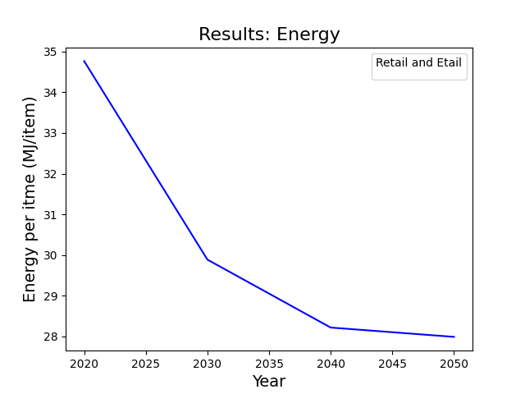
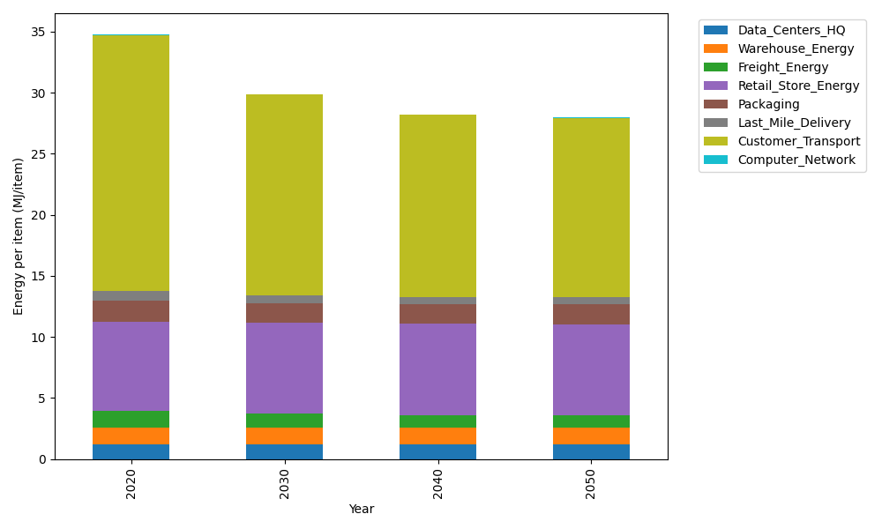
Years | Data_Centers_HQ | Warehouse_Energy | Freight_Energy | Retail_Store_Energy | Packaging | Last_Mile_Delivery | Customer_Transport | Computer_Network | Total
2020 | 1.2375150464 | 1.341704702 | 1.3803416122 | 7.3044839002 | 1.6940551041 | 0.80515113233 | 20.960236145 | 0.043095905011 | 34.766583548
2030 | 1.2352664487 | 1.3270812097 | 1.1612770684 | 7.4277871945 | 1.6408352221 | 0.63697376166 | 16.418054607 | 0.038310862219 | 29.885586374
2040 | 1.234927167 | 1.3248747309 | 1.0647790446 | 7.4463919234 | 1.6328050922 | 0.58249259647 | 14.891343164 | 0.037588866718 | 28.215202585
2050 | 1.2351867915 | 1.3265631682 | 1.051234165 | 7.4321552499 | 1.6389498922 | 0.59452278831 | 14.669709975 | 0.038141350676 | 27.98646338

CO2_item
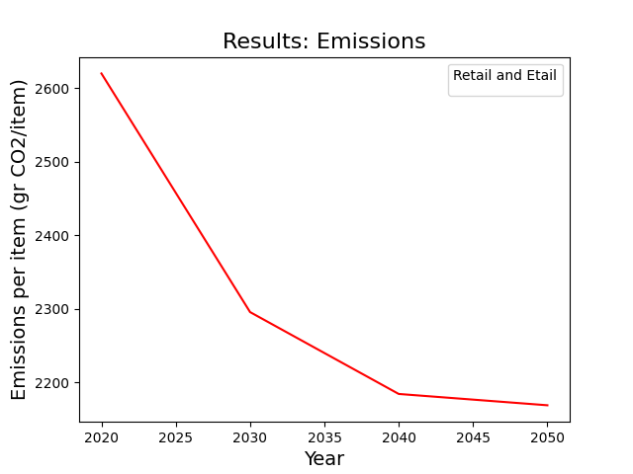
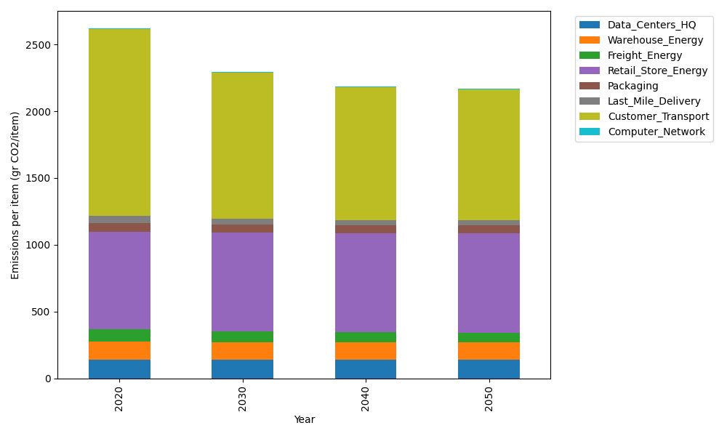
Years | Data_Centers_HQ | Warehouse_Energy | Freight_Energy | Retail_Store_Energy | Packaging | Last_Mile_Delivery | Customer_Transport | Computer_Network | Total
2020 | 140.16041816 | 133.94113517 | 93.990165387 | 728.44156535 | 65.760021002 | 55.268092205 | 1394.783517 | 7.2692795898 | 2619.6141938
2030 | 139.86373157 | 132.47482679 | 79.037363406 | 740.73801859 | 60.45608516 | 43.72387143 | 1092.5273832 | 6.4621538572 | 2295.283434
2040 | 139.81896575 | 132.25358152 | 72.426183074 | 742.59338003 | 59.655796014 | 39.984113837 | 990.93349169 | 6.3403699625 | 2184.0058819
2050 | 139.85322136 | 132.42288238 | 71.486666805 | 741.17362405 | 60.268191679 | 40.809903834 | 976.18507394 | 6.4335611915 | 2168.6331252

